Sheet1
PROBLEM
Fruits | Fruits | Apple | Banana | Dragonfruit | Mango | Mulberry | Papaya | Pineapple | Pomegranate | Raspberries | Strawberries | Watermelon
Apple, Banana | Apple | 2
Banana, Papaya | Banana |  | 6
Banana, Papaya, Mulberry, Watermelon | Dragonfruit |  |  | 1
RESULT
Papaya, Mango | Mango |  |  |  | 3
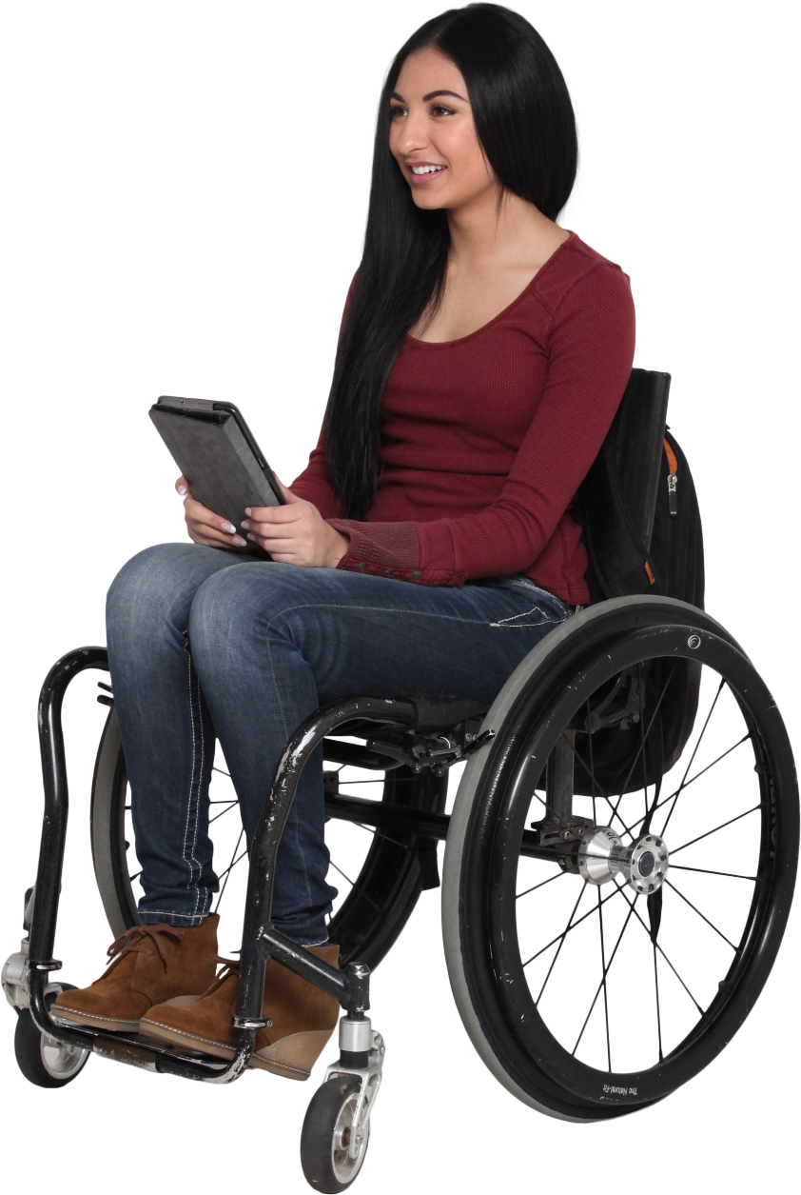
Raspberries, Mulberry, Watermelon | Mulberry |  |  |  |  | 3
Banana, Papaya, Mango | Papaya |  |  |  |  |  | 6
Raspberries, Mulberry, Watermelon, Dragonfruit | Pineapple |  |  |  |  |  |  | 2
Pineapple, Strawberries, Pomegranate | Pomegranate |  |  |  |  |  |  |  | 1
Pineapple | Raspberries |  |  |  |  |  |  |  |  | 2
Banana, Papaya, Mango | Strawberries |  |  |  |  |  |  |  |  |  | 1
Apple, Banana, Papaya | Watermelon |  |  |  |  |  |  |  |  |  |  | 3
Generate the grid shown where count need to be populated at intersections of rows and columns.
List of fruits is sorted alphabetcially in both rows and columns.
Ex. Banana appears 6 times, hence 6 will be populated at intersection of Banana and Banana.

